Sheet1
Heights |  |  | Q1 | 167 |  |  |  | Arranged Data
155 |  |  | Q2 | 170 |  |  |  | 155
167 |  |  | Q3 | 177 |  |  |  | 165
300 |  |  |  |  |  |  |  | 167
168 |  |  | Q3-Q1 = IQR | 10 |  |  |  | 168
170 |  |  |  |  |  |  |  | 170
180 |  |  | Q1-1.5*IQR = Lower Outlier | 152 |  |  |  | 175
177 |  |  | Q3+1.5*IQR = Upper Outlier | 192 |  |  |  | 177
165 |  |  |  |  |  |  |  | 180
175 |  |  |  |  |  |  |  | 300

 | Lower O | Minimum | Q1 | Median | Q3 | Maximum | Upper O
 | 152 | 155 | 167 | 170 | 177 | 300 | 192

Dealership | Model | Color | Number in Stock | Miles Per Gallon (MPG)
Velocity Motors | Corvette | Red | 2 | 19
Elite Auto Group | Corvette | Red | 2 | 19
Summit Motors | Model X | Red | 3 | 102
Velocity Motors | GT-R | Blue | 1 | 16
Precision Automotive | Civic | Blue | 3 | 31
Elite Auto Group | Jetta | Green | 2 | 29
Precision Automotive | Mustang | Green | 2 | 21
Velocity Motors | Accord | Black | 2 | 30

ID | Name | Score
1182 | James | 80
3701 | Matthew | 66
3853 | Robert | 69
4461 | Joseph | 87
4641 | Thomas | 75
6001 | Mike | 85
6637 | Anee | 76
6701 | Alen | 88
8159 | John | 82
9225 | Daniel | 63

Items | Unit Price ($) | Units Sold | Purchase Date | Revenue ($) | Total Cost ($) | Profit ($)
Vegetables | 150 | 2550 | 2022-02-02 | 450000 | 382500 | 67500
Fruits | 200 | 3000 | 2022-03-02 | 750000 | 600000 | 150000
Grains | 125 | 2250 | 2023-02-04 | 400250 | 281250 | 119000
Dairy | 350 | 5000 | 1/15/2022 | 2550000 | 1750000 | 800000
Cosmetics | 500 | 4000 | 3/22/2023 | 2750000 | 2000000 | 750000
Toys | 120 | 3500 | 2022-01-12 | 550000 | 420000 | 130000
Stationery Items | 50 | 3250 | 2022-02-06 | 245000 | 162500 | 82500

Country | Population |  |  |  |  | Categories | Number of Students
China | 1,439,323,776 |  |  |  |  | Music | 26
India | 1,380,004,385 |  |  |  |  | Dance | 36
USA | 331,002,651 |  |  |  |  | Theatre | 22
Indonesia | 273,523,615 |  |  |  |  | Singing | 38
Pakistan | 220,892,340 |  |  |  |  | Drawing | 28

Branch | Q1 Sales | Q2 Sales | Q3 Sales | Q4 Sales
1 | 20 | 40 | 10 | 40
2 | 90 | 20 | 40 | 60
3 | 20 | 40 | 10 | 40
4 | 50 | 30 | 40 | 60

Subjects | 2019 | 2020 | 2021 | 2022 | 2023 |  | Month | Rainfall (inches)
English | 85 | 68 | 75 | 90 | 85 |  | Jan | 5.2
Math | 78 | 82 | 80 | 75 | 88 |  | Feb | 5.9
Science | 89 | 86 | 85 | 95 | 98 |  | Mar | 7.7
Social Studies | 75 | 68 | 65 | 75 | 70 |  | Apr | 9
 |  |  |  |  |  |  | May | 9.9
 |  |  |  |  |  |  | Jun | 9.1
 |  |  |  |  |  |  | Jul | 9.5
 |  |  |  |  |  |  | Aug | 9.7
 |  |  |  |  |  |  | Sep | 8.3
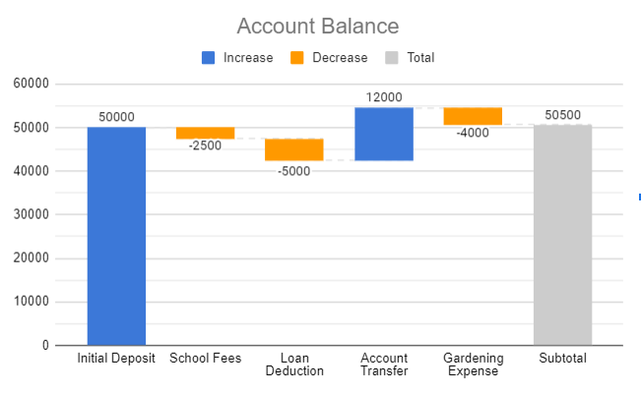
 |  |  |  |  |  |  | Oct | 7.8
 |  |  |  |  |  |  | Nov | 6.8
 |  |  |  |  |  |  | Dec | 5.5

 |  |  |  |  |  |  | Category | $ movement
 |  |  |  |  |  |  | Initial Deposit | 50000
 |  |  |  |  |  |  | School Fees | -2500
 |  |  |  |  |  |  | Loan Deduction | -5000
 |  |  |  |  |  |  | Account Transfer | 12000
 |  |  |  |  |  |  | Gardening Expense | -4000
 |  |  |  |  |  |  | Subtotal | 50500

Relationship Between Wasit Girth and Shoulder Width for Athletes
Item | Number of items sold | Profit | Profit percentage |  | Shoulder Width (cm) | Waist Girth (cm)
Item A | 22 | 2500 | 20% |  | 42 | 71
Item B | 12 | 1600 | 50% |  | 41 | 73
Item C | 33 | 3500 | 80% |  | 43 | 112
Item D | 18 | 2700 | 30% |  | 42 | 86
 |  |  |  |  | 37 | 75
 |  |  |  |  | 34 | 67
 |  |  |  |  | 30 | 73
 |  |  |  |  | 36 | 59
 |  |  |  |  | 36 | 62
 |  |  |  |  | 36 | 68
 |  |  |  |  | 35 | 64
 |  |  |  |  | 35 | 67
 |  |  |  |  | 35 | 70
 |  |  |  |  | 35 | 61
 |  |  |  |  | 37 | 93
 |  |  |  |  | 35 | 76
 |  |  |  |  | 39 | 77
 |  |  |  |  | 37 | 65
 |  |  |  |  | 35 | 65
 |  |  |  |  | 36 | 72

Sheet2
Subjects | 2019 | 2020 | 2021 | 2022 | 2023
English | 85 | 68 | 75 | 90 | 85
Math | 78 | 82 | 80 | 75 | 88
Science | 89 | 86 | 85 | 95 | 98
Social Studies | 75 | 68 | 65 | 75 | 70

 | English | Math | Science | Social Studies
2019 | 85 | 78 | 89 | 75
2020 | 68 | 82 | 86 | 68
2021 | 75 | 80 | 85 | 65
2022 | 90 | 75 | 95 | 75
2023 | 85 | 88 | 98 | 70

 | Rainfall (inches)
Jan | 5.2
Feb | 5.9
Mar | 7.7
Apr | 9
May | 9.9
Jun | 9.1
Jul | 9.5
Aug | 9.7
Sep | 8.3
Oct | 7.8
Nov | 6.8
Dec | 5.5
 | Month | Rainfall (inches)
 | Jan | 5.2
 | Feb | 5.9
 | Mar | 7.7
 | Apr | 9
 | May | 9.9
 | Jun | 9.1
 | Jul | 9.5
 | Aug | 9.7
 | Sep | 8.3
 | Oct | 7.8
 | Nov | 6.8
 | Dec | 5.5

 | Category | $ movement
 | Initial Deposit | 50000
 | School Fees | -2500
 | Loan Deduction | -5000
 | Account Transfer | 12000
 | Gardening Expense | -4000
 | Subtotal | 50500

